Sheet1
 | Rin [MOhm]
0 | 42.230581
1 | 41.511078
2 | 40.850068
3 | 40.24073
4 | 39.677502
5 | 39.155323
6 | 38.67006
7 | 38.21783
8 | 37.795558
9 | 37.400438
10 | 37.030022
11 | 36.681968
12 | 36.354313
13 | 36.04522
14 | 35.753222
15 | 35.477021
16 | 35.215332
17 | 34.967056
18 | 34.731207
19 | 34.506929
20 | 34.293373
Rin
166±54 MΩ | Landisman et al. 2002
62 to 264 MΩ | Long et al. 2004
159.2±58.3 MΩ | Haas and Landisman 2012
43 MΩ | Model

0 | 6.05
1 | 5.9
2 | 5.775
3 | 5.65
4 | 5.55
5 | 5.475
6 | 5.4
7 | 5.325
8 | 5.25
9 | 5.2
10 | 5.15
11 | 5.1
12 | 5.05
13 | 5
14 | 4.975
15 | 4.95
16 | 4.9
17 | 4.875
18 | 4.85
19 | 4.825
20 | 4.8
Time constant
13.1±3.7 msec | Landisman et al. 2002
6.05 msec | Model

P(coupling)
31% | Landisman et al. 2002 |  |  | (10-30µm)
71% | Long et al. 2004 |  |  | <5µm
As desired | Model

CC
3.2±2.7% (range 1-13%) | Landisman et al. 2002 |  |  | (10-30µm)
11±8% | Long et al. 2004 |  |  | <5µm
12 ± 8% | Haas et al. 2011
As desired | Model

Resting membrane potential
-50 to -72 mV | Long et al. 2004
~-65 mV | Haas et al. 2011
-75 mV | Model

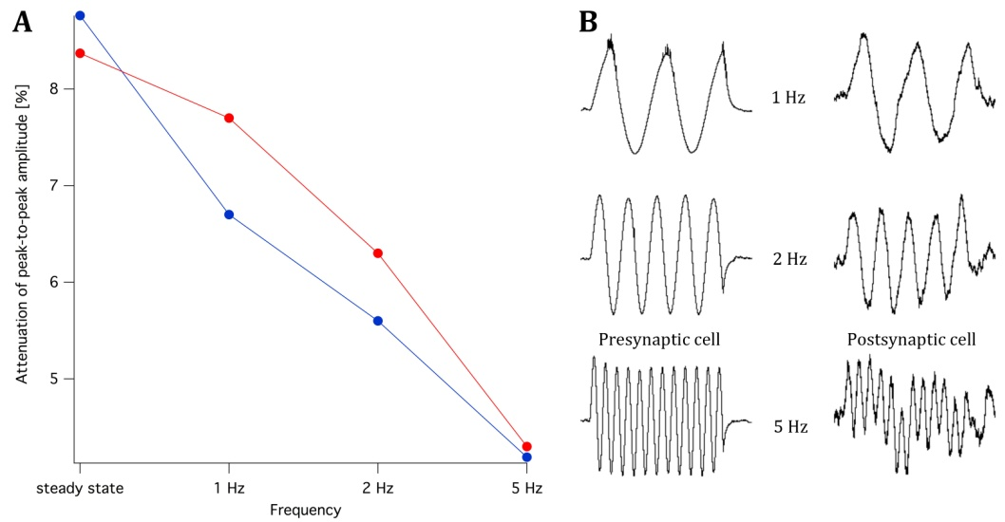
Attenuation

Sinus attenuation | Model |  | Recordings
Steady state | 20% | 8.50% | 8.30% | 8.70%
1 Hz | 1% | 0% | 7.80% | 6.80%

1Hz sinus | Amplitude | Attenuation
Soma1 | 10 | 100%
GJ1 | 5.25 | 50%
GJ2 | 0.52 | 5%
Soma2 | 0.1 | 1%

Spikewidth(ms)
0.99±0.24 | Haas and Landisman 2012
0.475 | Model

Spikeheight(mV)
53.02±12.05 | Haas and Landisman 2012
90 (-60 -> +30) | Model

Spikelet risetime
0.43 msec | Landisman et al. 2002
0.75 msec | Model

Spikelet amplitude
0.47±0.34mV (range 0.1-1.82mV) |  | Long et al. 2004
0.53±0.1 mV |  | Haas and Landisman 2012
0.79 mV |  | Model

Rebound spikes/burst
4.1±1.4 |  | Long et al. 2004
9 |  | Model

